password resets
On the initial email for a new coach. The email link to reset password did not work

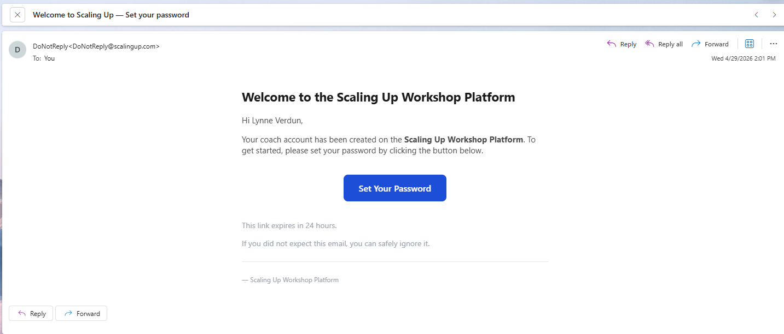

button url

https://na01.safelinks.protection.outlook.com/?url=https%3A%2F%2Fscaling-up-platform-v2.vercel.app%2Fauth%2Freset-password%3Ftoken%3DeyJlbWFpbCI6ImplZmYudmVyZHVuQG91dGxvb2suY29tIiwiZXhwIjoxNzc3NTcyMDkwMjA4LCJmcCI6Im1pc3NpbmciLCJub25jZSI6IjEyOGFmMTVjZmE5Yjk1YmRkZjdhMGYxOGFjNmZlZTA3N2U0Mzg3ZDhjMzc1ZDY4NmFhNTZhN2FjNGE5ZGVkM2UifQ.838576f8bb5adba8366307662b24d31bd3cccaa9082a114bbf5ce057a622f8f6%26email%3Djeff.verdun%2540outlook.com&data=05%7C02%7C%7Cf6ba3cb23a7849f2d0de08dea61959c5%7C84df9e7fe9f640afb435aaaaaaaaaaaa%7C1%7C0%7C639130824972572504%7CUnknown%7CTWFpbGZsb3d8eyJFbXB0eU1hcGkiOnRydWUsIlYiOiIwLjAuMDAwMCIsIlAiOiJXaW4zMiIsIkFOIjoiTWFpbCIsIldUIjoyfQ%3D%3D%7C0%7C%7C%7C&sdata=D2GVe3fvJHsHSa2xyVqItRoERUrNxKsC52rzQB1sl2w%3D&reserved=0

Same issue when you use the send password reset from coaches on admin page

Labels
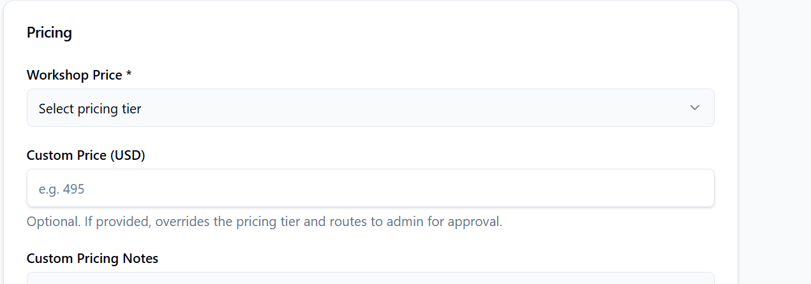
When a custom price is selected by coach. The coach dashboard only shows the std price. In the example below the Exit workshop is a custom price of 200. If you drill into the meeting you see the custom price.

On this view change the pricing label to just workshop type
and add a column that reflects the actual price (this could be standard or approved custom. You already have this logic on the admin dashboard shown to the right.
 | Should add the column for the workshop type next to cost.

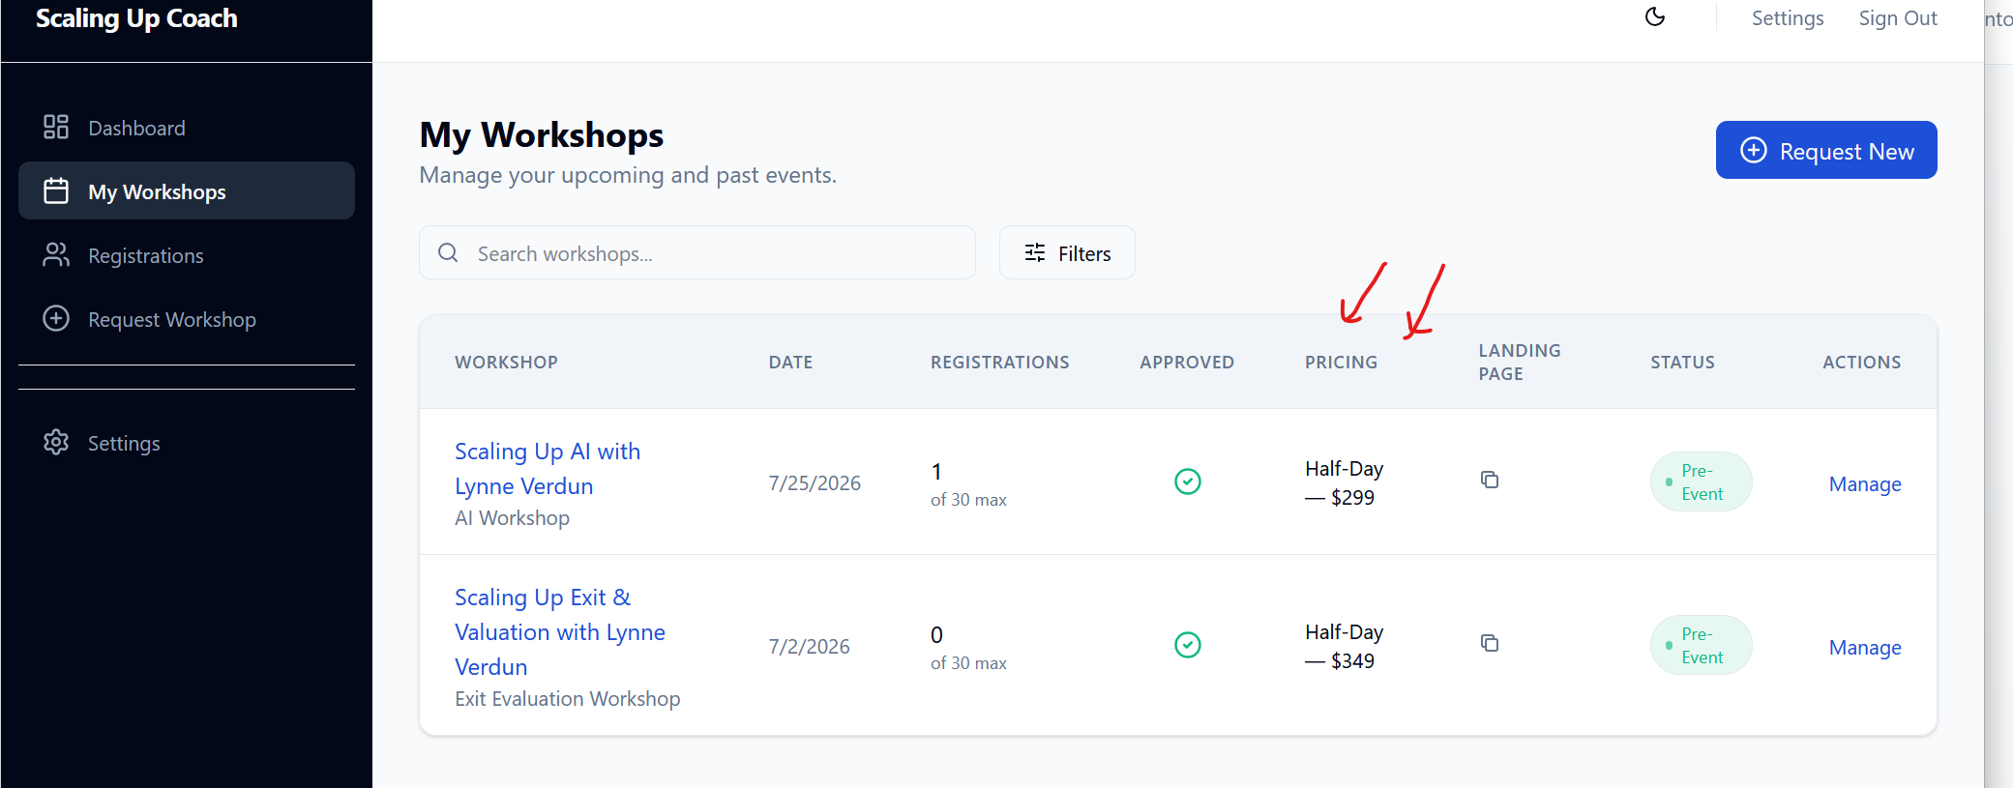
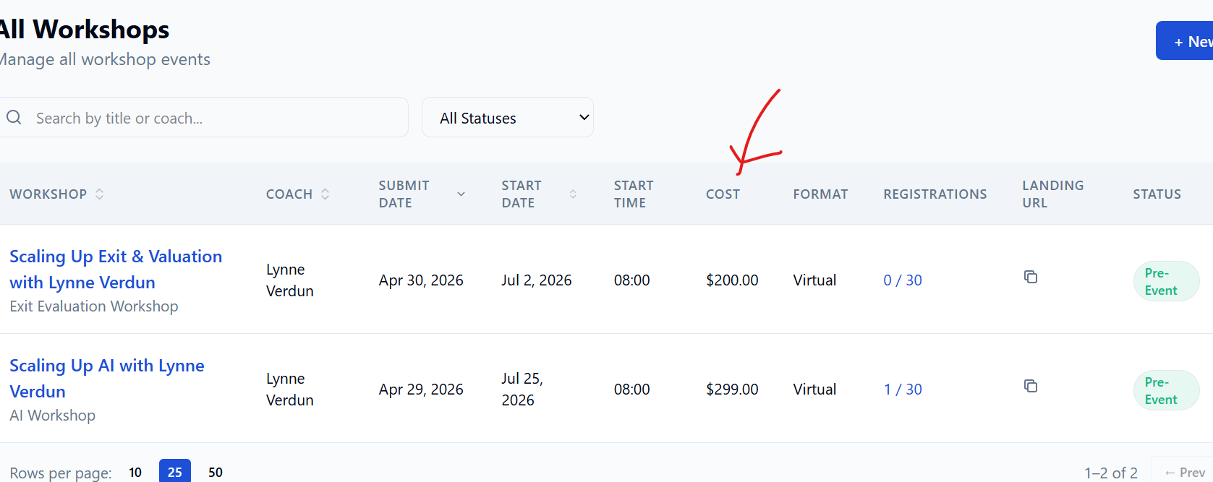

Since we are changing the label on the dashboard. The label on the form should probably change from Workshoop Price to Workshop Type

Open landing page button
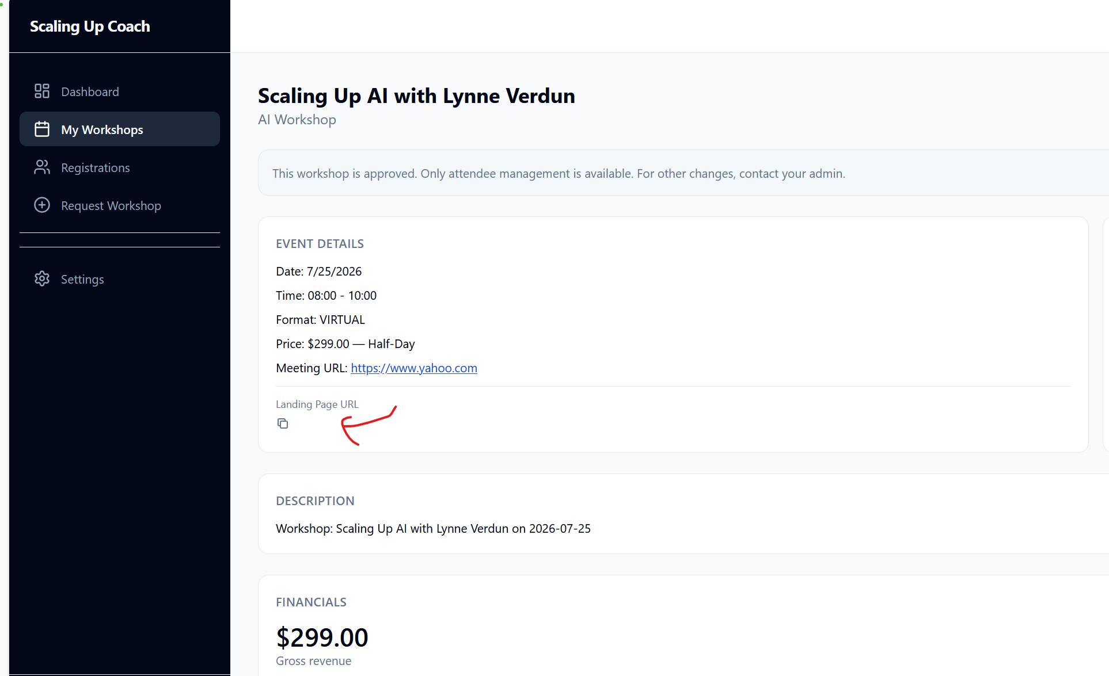
Need to have the open button here too.

view Registrations button
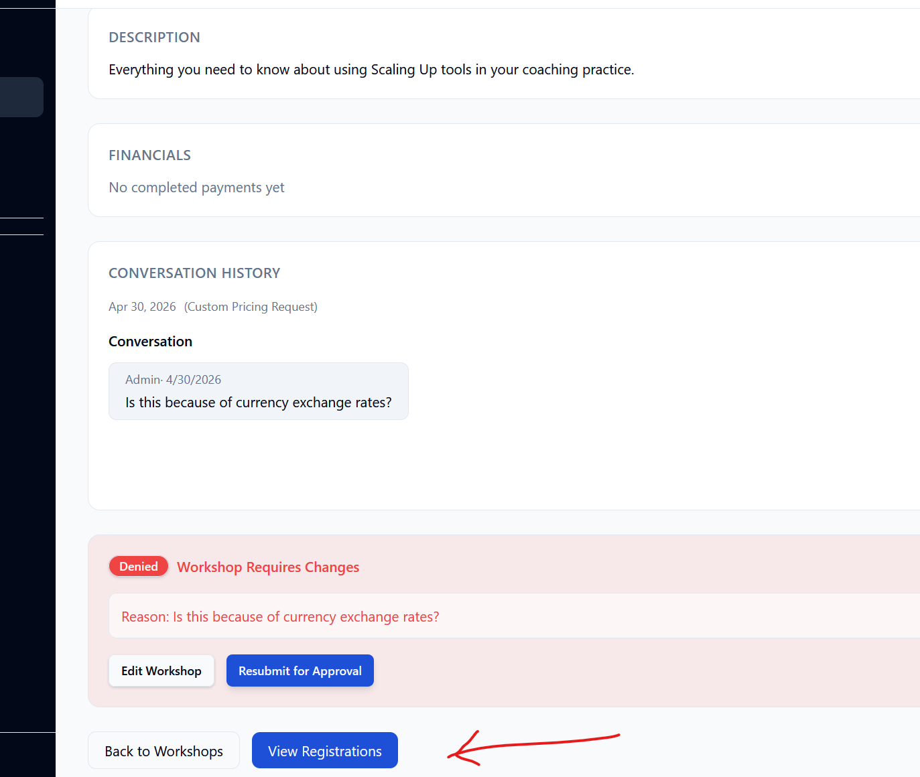
Probably should have some logic that view registrations button should only be visable on approved workshops

label inconsistancy
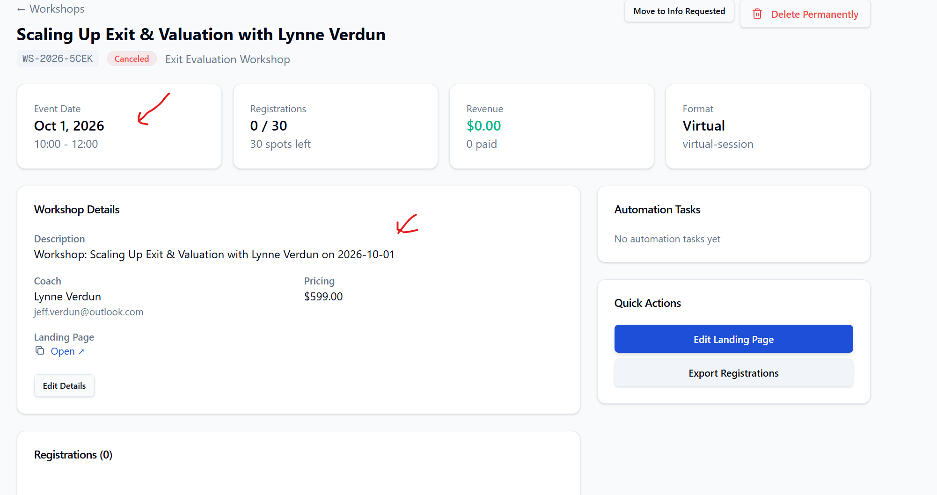
Probably should be consistant in date. Probably use Oct 1, 2026 format

In example below we have the format using name but details uses number format in non us traditional format (10-1-2026 vs 2026-10-01)

custom price scenario 1
Coach selects custom price. Admin counters, coach approves
 | Coach sends my area wont support 300 and select custom price of 200
 | admin sends Due to costs lowest we can go is 250 and counters at 250
 | coach approves 250

Coach dashboard does not show conversation history.

Admin dashboard missing last part of conversation. See below.
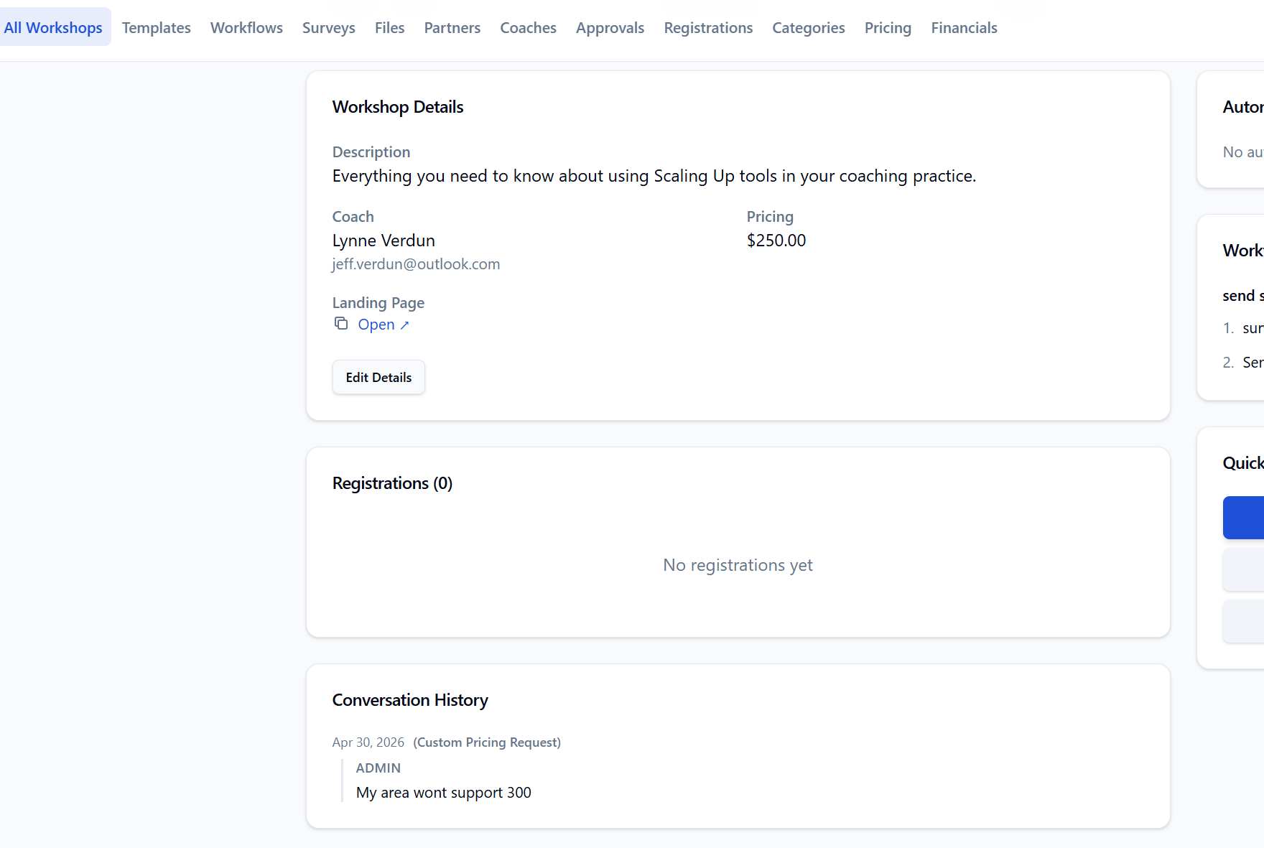
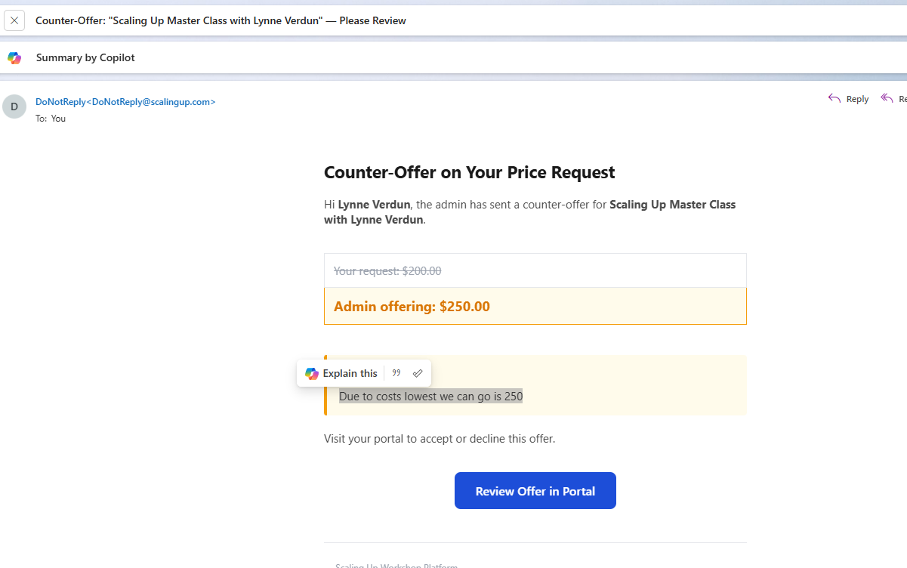

It also shows that admin says my area wont support 300 but coach said that.

conversation example
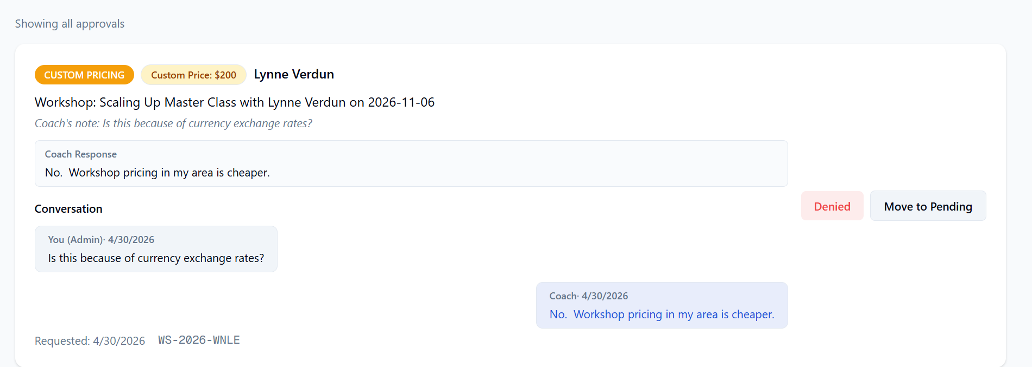
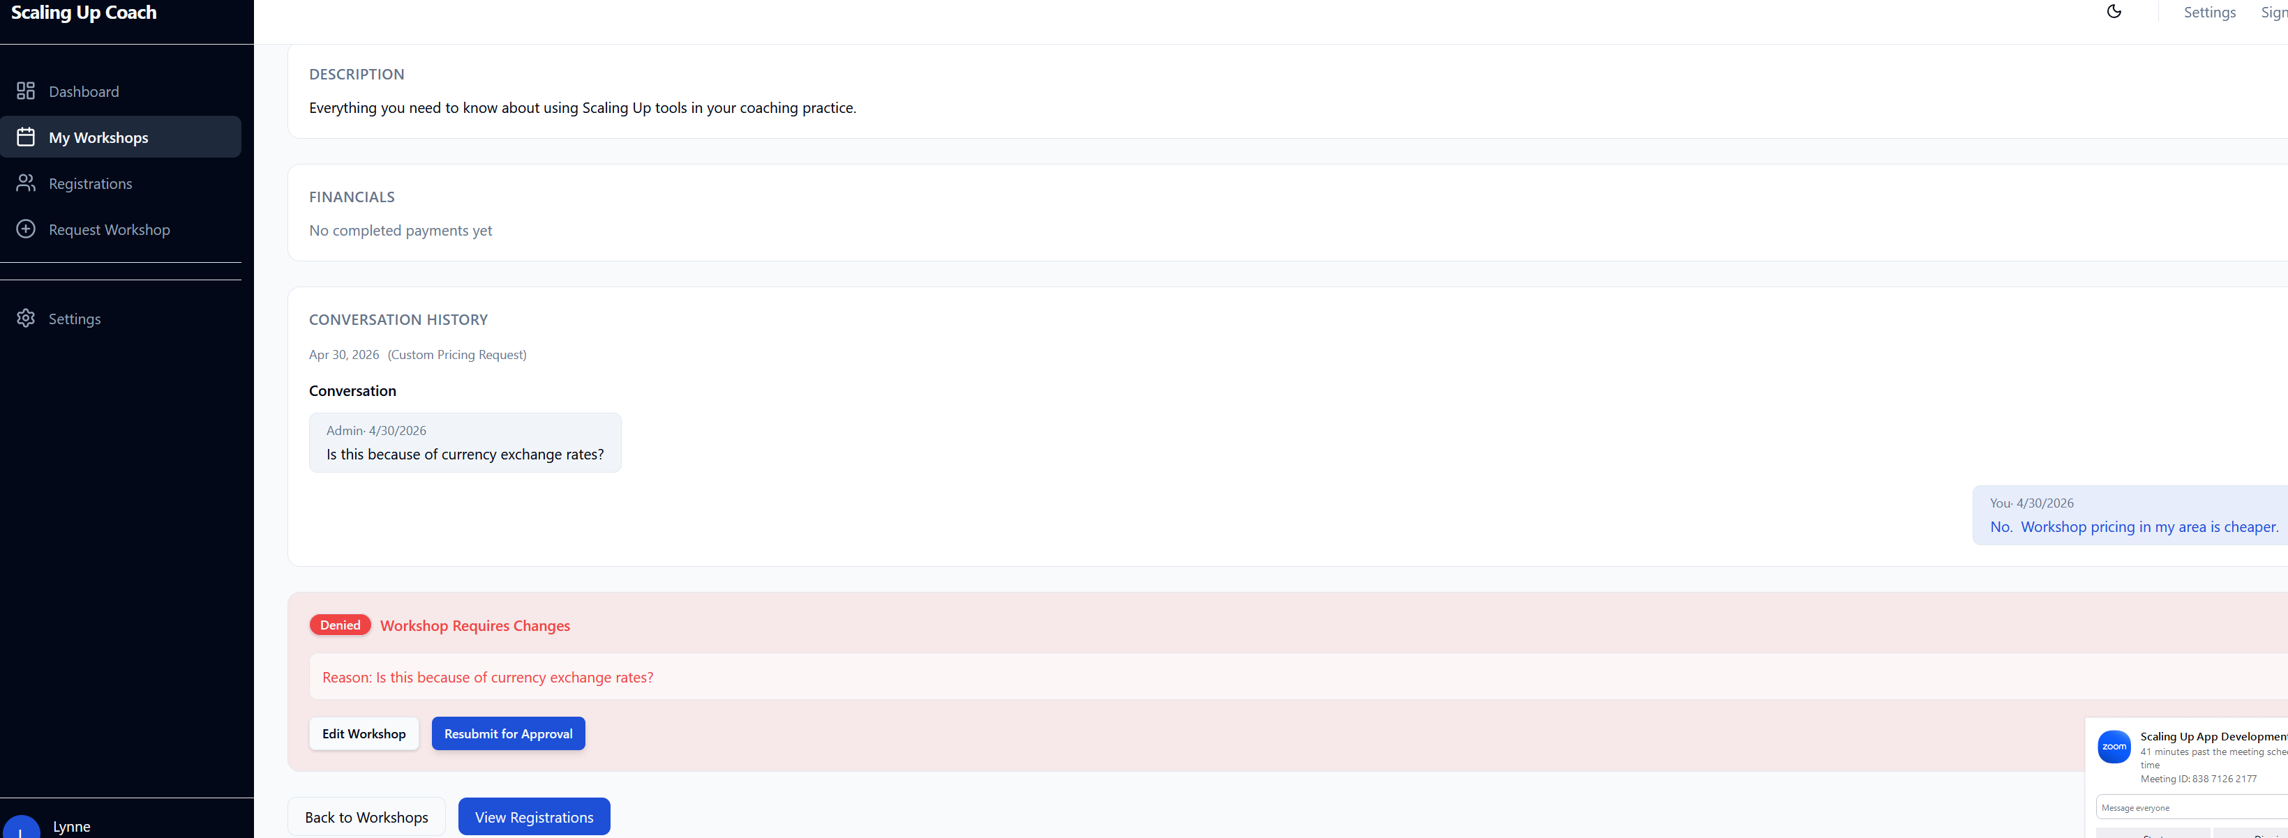
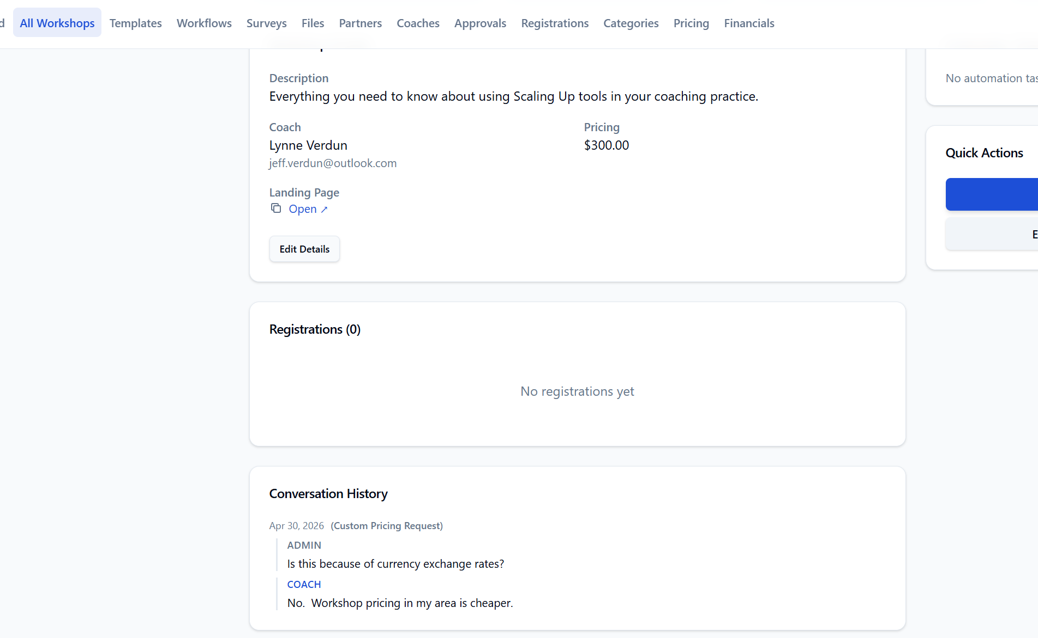
Custom price request
 | Coach's note: I am requesting a custom price of 200 because my area wont support 300 usd

Request Info from Admin
Is this because of currency exchange rates?

Reply info from coach
No. Workshop pricing in my area is cheaper.

Counter offer from admin
Best we can do is 275

Coach denies

Resubmit
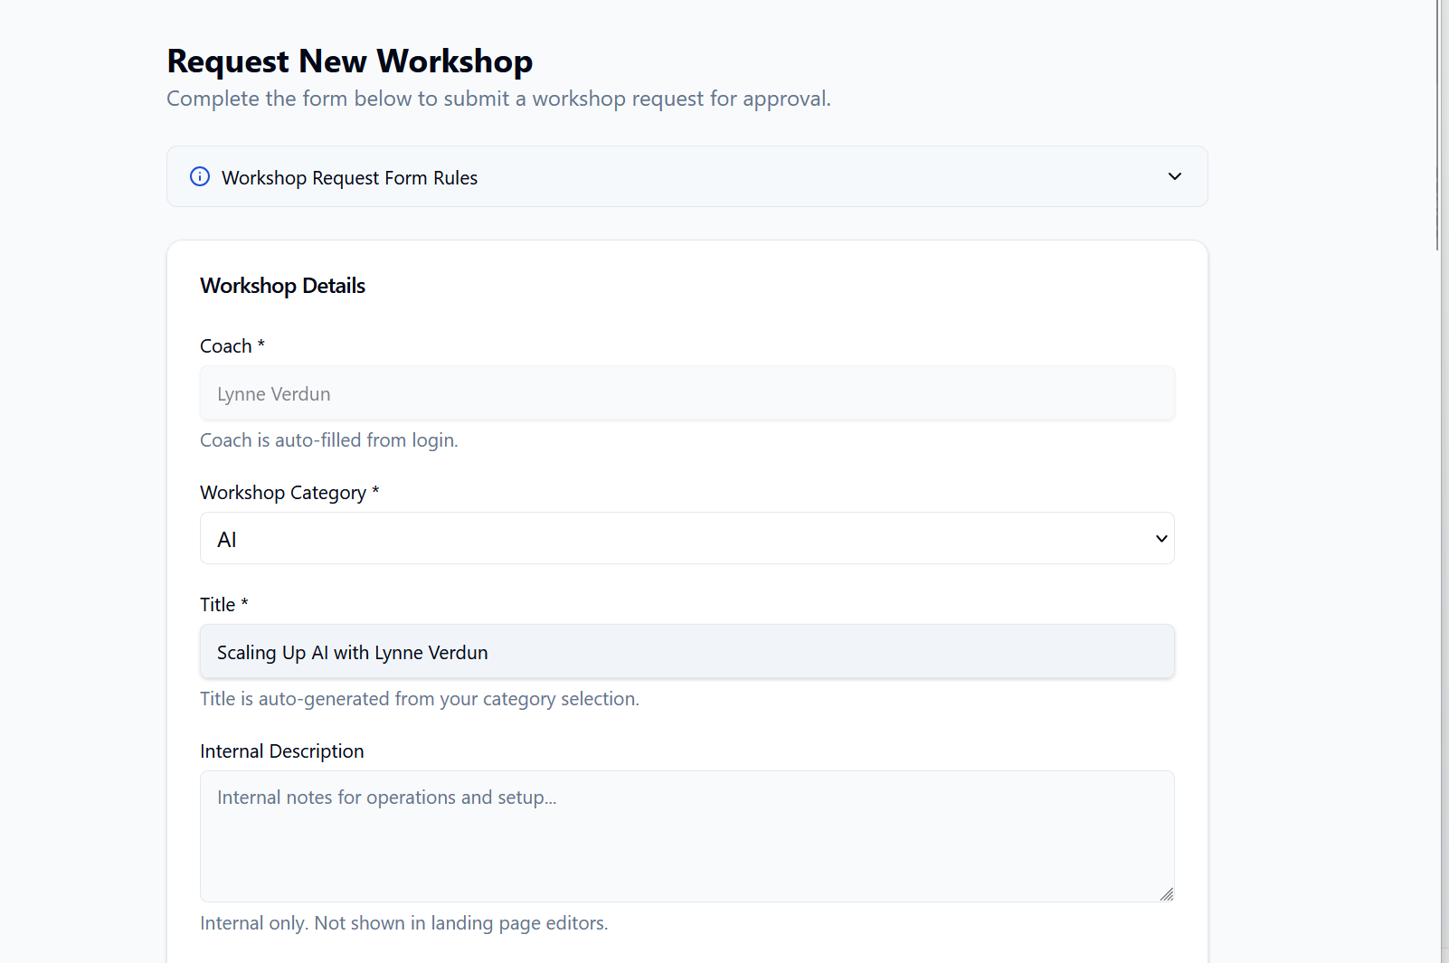
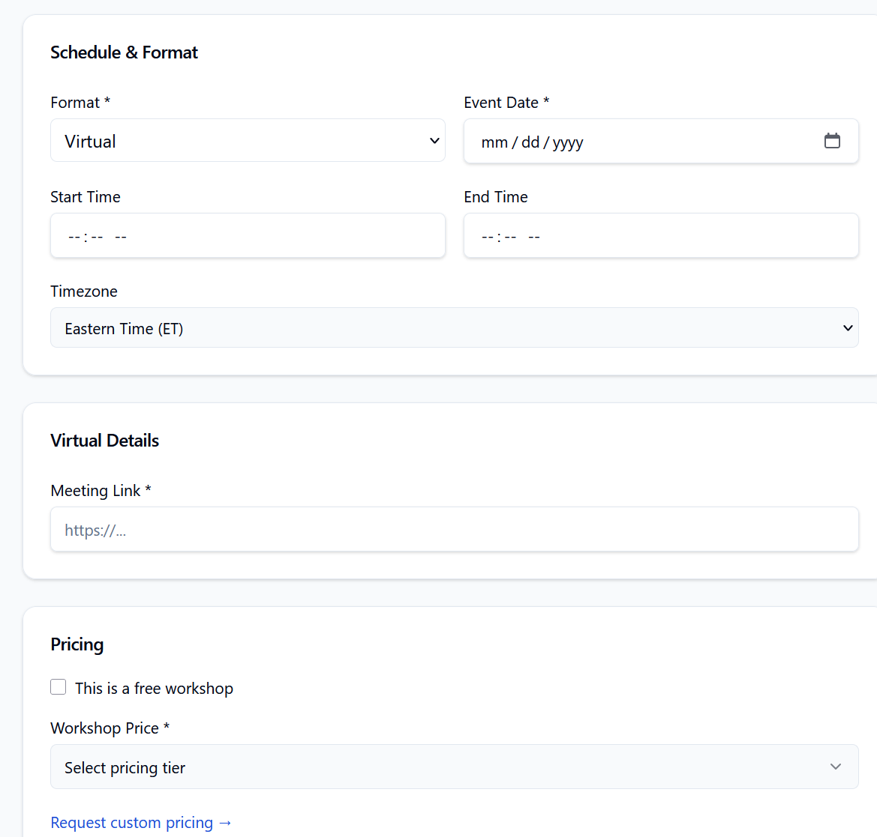
The Edit workshop for resubmission doesn’t bring up full form. No way to update price or many of the other details. If this is a big fix we may want to remove the resubmit functionality and just force them to create a new request.

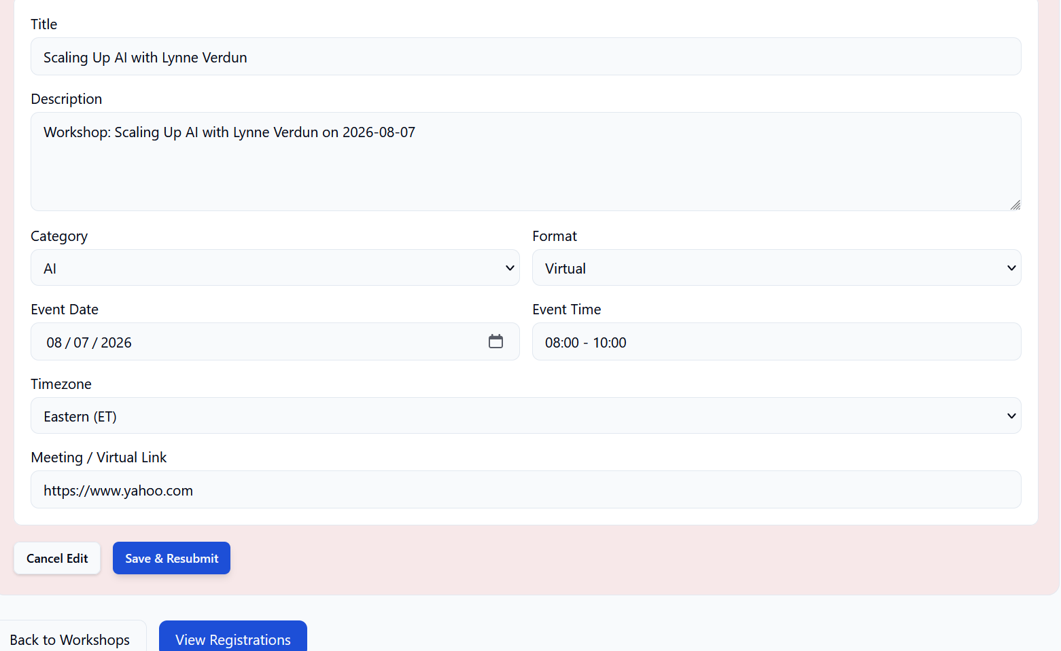
decision - remove resubmit functionality.

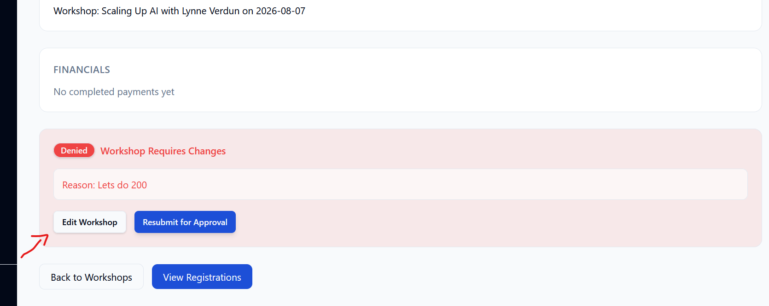

 | Form I expected.

